Sheet1
DAY 1 | PRICE | PE RATIO | peak value
ALL ARE 52 WEEK HIGH
BASF | 2774 | 19.8 basf undervalued compared to others | mid day
REL IND | 794 | 120 overvalued | morning
JD | 1050 | 31 | mid day

total investment | inv | price | qty | total | difference | loss | profit | net profit
rel | 2k | 794 | 11 | 8734 | 30 | 330 | 60 | 660
basf | 4k | 2774 | 4 | 11096 | 50 | 200 | 100 | 400
jd | 2k | 1070 | 11 | 11770 | 30 | 330 | 60 | 660
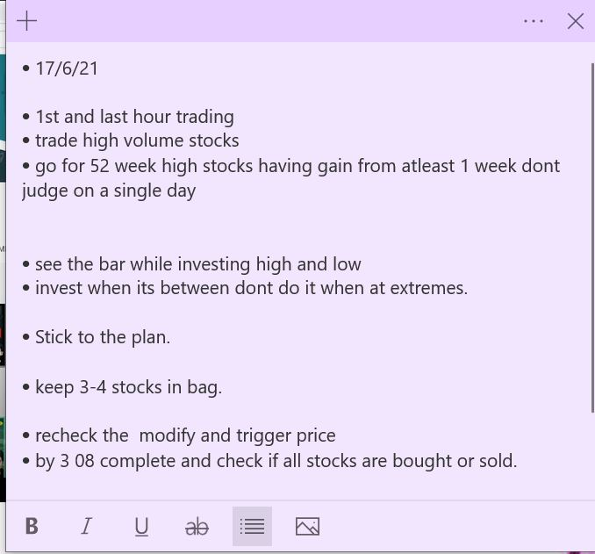
 |  |  |  | 7900 |  | 860 |  | 1720

 |  |  |  |  |  |  | target income | 2000

stock 2

use support and resistance levels.
round figures are tough to cross due to high volumes
limit order and trigger price.

